Evaluation
Evaluation of all ports - North of Norway

Suitable for: | Logistics | Assembley (shallow) |  | Assembley (deep) | Construction (shallow) | Constructtion (deep) | O&M SOV | O&M CTV

Port of Alta | Yes | No | No |  | No | No | Yes | Yes
Port of Tromsø - Grøtsund | Yes | Yes | No |  | Yes | No | Yes | Yes
Port of Bodø | Yes | No | No |  | No | No | Yes | Yes
Port of Hammerfest - Polar Base | Yes | Yes | No |  | Yes | No | Yes | Yes
Port of Harstad | Yes | No | No |  | No | No | Yes | Yes
Port of Kirkenes | Yes | No | No |  | No | No | Yes | Yes
Port of Kirkenes - Tchudi | Yes | No | No |  | No | No | No | No
Port of Narvik - Fornes | Yes | No | No |  | No | No | Yes | Yes
Port of Narvik - Fagernes | Yes | No | No |  | No | No | Yes | Yes
Port of Helgeland - Sandnessjøen | Yes | Yes | No |  | No | No | Yes | Yes

Port of Helgeland
Nordland - Port of Helgeland - Sandnessjøen

Suitable for: |  | Logistics | Assembley (shallow) |  | Assembley (deep) | Construction (shallow) |  | Constructtion (deep) | O&M SOV | O&M CTV

 |  | Yes | Yes | No |  | No |  | No | Yes | Yes

Port description : |  |  |  |  | Layout
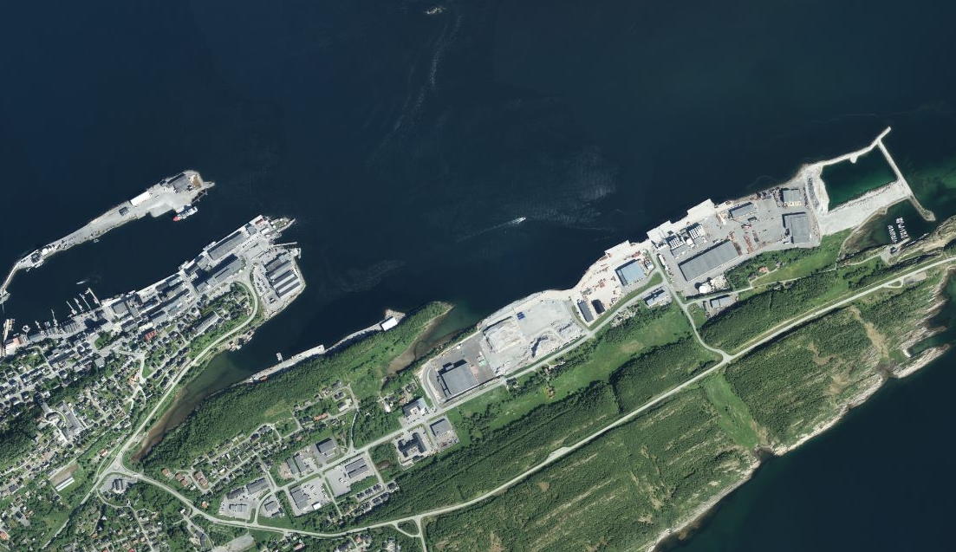
Port of Helgeland is located mid way between Trondheim and Narvik and is also a service port for the traditional oil and gas industry

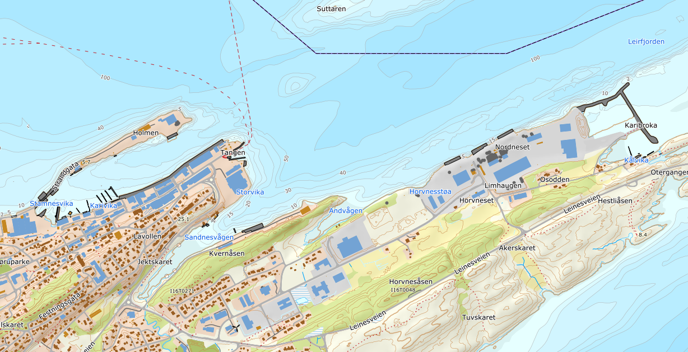
Overall information
Location | Port of Helgeland is located 6 hours north of Trondhjem
Size | 100 000 m2
Navigation constrains | No
Commercial overview | Public port
Strengths | Waterdept along quayside and potential cooperation with Aker Solutions in Sandessjøen for Semi construction. See yards.
Weakness | Shortage of area
Unknowns
Non-technical issues

Owner | Authoryties
Web-page | Helgeland Havn - Forsiden
Contact details | post@helgelandhavn.no

 |  | Harbours |  |  |  |  | Port in numbers
Quay side |  | Length of Quay side in meters |  |  |  | m | 240
 |  | Depth at specified Quay side - Ref. Laveste Astronomiske Tidevann - LAT in meters |  |  |  | m | 20
 |  | Max load-bearing capacity in metric tons |  |  |  | tons/m2 | 7
 |  | Reinforced crane pad area - in m2 |  |  |  | m2 | No
 |  | ISPS approved - Yes / No |  |  |  | Yes / No | Yes
Available land area |  | Total land area available - (in m2) |  |  |  | m2 | 100 000
 |  | Total land area at quayside level up to +5 meters above sea level |  |  |  | m2 | 100 000
 |  | Total land area possibly available 20 meters above sealevel - (in m2) (Access to quayside by SPMT's or heavy duty transport) |  |  |  | m2 | 0
 |  | Other areas - (in m2) |  |  |  | m2 | 0
Available areas at sea |  | Available areas at sea from quayside up to 250 meter from quayside - (in m2) (for use of barges and potential construction phase f.ex) |  |  |  | m2 | N/A
 |  | Minimum water depth at areas identified above - Ref. Lowest Astronomic Tide - LAT (in meters) |  |  |  | m2 | N/A
 |  | Available storage and operational areas at sea in vincinity (m2) (for long term storage f.ex) |  |  |  | m2 | N/A
 |  | Minimum water depth at areas identified above (in meters ref. LAT) |  |  |  | m2 | N/A
Available utilities |  | Distance to "riksvei" (in Km) |  |  |  | km | 0,5
 |  | Distance to airport (in hours) |  |  |  | hours | 0,25
 |  | Electrical power available in port (in kVA) |  |  |  | kVA | 5000
 |  | Fresh water available (Liter pr second) |  |  |  | l / sec | 40
 |  | Rail access to quay (Yes / No) |  |  |  | Yes / No | No
Sailing route to open sea 10 km from shoreline |  | Horisontal water access (min clearance) to open sea (m) |  |  |  | m | 1500
 |  | Airgap in and around quayside in meters (Powerlines, bridges) (m) |  |  |  | m | N/A
 |  | Airgap from quayside to open sea in meters (Bridges, power lines etc.) (m) |  |  |  | m | N/A
 |  | Sailing distance to open sea / fairway (nm) |  |  |  | nm | 40
 |  | Waterdepth to open sea in meters ref LAT (m) |  |  |  | m | 100 - 200
Other |  | Regulatory status suitable for OW activities - Yes/No |  |  |  | Yes / No | Yes
 |  | Ability to operate 24/7 (Yes / No) |  |  |  | Yes / No | Yes
 |  | Regulatory status under development for OW activites - Yes/No |  |  |  | Yes / No | No
 |  | New development plans - Yes / No (mention key items in comment field) |  |  |  | Yes / No | Yes
 |  | Available buildings - in (m2) |  |  |  | m2 | 1630
 |  | Available buildings / workshops with overhead cranes available - (m2) |  |  |  | m2 | 1630
 |  | Map of quay area attached - Yes / No |  |  |  | Yes / No | Yes

Strategic self-assessment |  |  |  |  |  |  | Summary
 |  |  |  |  |  |  | The dept at main quay side has 20 meter LAT and would be a potential assembley port for Semi /shallow floaters and it is also suitable as service port for the wind business O&M, and suitable as potential logistic base.

Bodø Havn
Northern Norway - Bodø harbour

Suitable for: |  | Logistics | Assembley (shallow) |  | Assembley (deep) | Construction (shallow) |  | Constructtion (deep) | O&M SOV | O&M CTV

 |  | Yes | No | No |  | No |  | No | Yes | Yes

Port description : |  |  |  |  | Layout
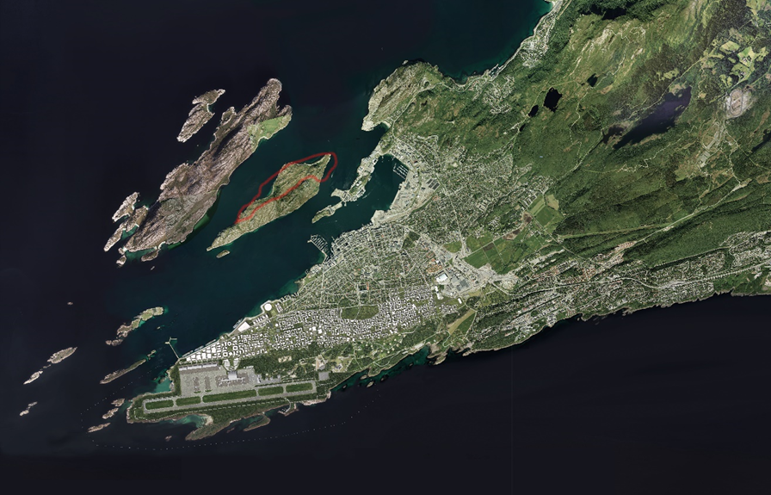
Bodø main airport will be closed in a year, and moved to Ørlandet. Today's airport will be moved one km southwest of the Bodø Peninsula, which will free up new area for urban development south of today's urban areas. A new airport will be ready in 2027, and in the current airport area, urban areas with 15,000 homes and 20,000 jobs can be developed over time. The purpose of this is to map Litle Hjartøya as a possible location for a relevant port in connection with offshore wind. Lilte Hjartøya is located north of Bodø center and Bodø harbor. Bodø municipality is the owner of the island. For the time beeing Bodø undergoes many fundamental potential changes. In the area part of the municipal plan, the relevant area on Litle Hjartøy is set aside for combined development and construction purposes, industry and port. The port of Bodø is pr today not an obvious candidate for assembley and marshalling for either shallow water- or deep water floaters for wind.

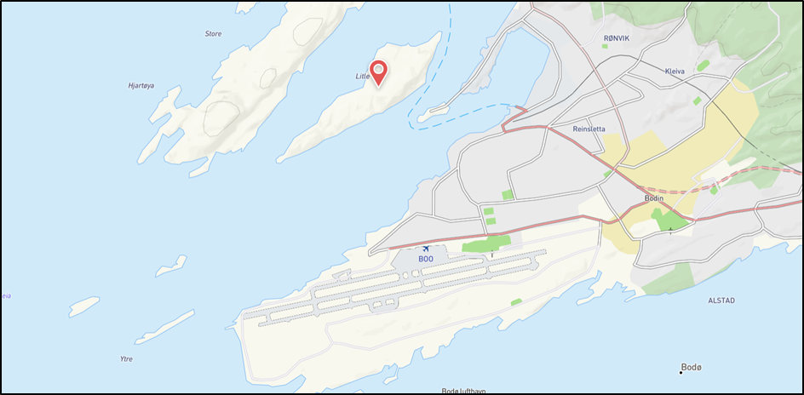
Overall information
Location |  | Situated on an island outside Bodø
Size |  | Zoned area including sea area 530.000 m2
Navigation constrains |  | Exposed to south west wind
Commercial overview |  | Public port
Strengths
Weakness
Unknowns
Non-technical issues |  | Regulatory process

Owner | Authoryties
Web-page |  | http://www.bodohavn.no/?lang=no_NO
Contact details

 |  | Harbours |  |  |  |  | Port in numbers
Quay side |  | Length of Quay side in meters |  |  |  | m
 |  | Depth at specified Quay side - Ref. Laveste Astronomiske Tidevann - LAT in meters |  |  |  | m
 |  | Max load-bearing capacity in metric tons |  |  |  | tons
 |  | Reinforced crane pad area - in m2 |  |  |  | m2
 |  | ISPS approved - Yes / No |  |  |  | Yes / No
Available land area |  | Total land area available - (in m2) |  |  |  | m2
 |  | Total land area at quayside level up to +5 meters above sea level |  |  |  | m2
 |  | Total land area possibly available 20 meters above sealevel - (in m2) (Access to quayside by SPMT's or heavy duty transport) |  |  |  | m2
 |  | Other areas - (in m2) |  |  |  | m2
Available areas at sea |  | Available areas at sea from quayside up to 250 meter from quayside - (in m2) (for use of barges and potential construction phase f.ex) |  |  |  | m2
 |  | Minimum water depth at areas identified above - Ref. Lowest Astronomic Tide - LAT (in meters) |  |  |  | m2
 |  | Available storage and operational areas at sea in vincinity (m2) (for long term storage f.ex) |  |  |  | m2
 |  | Minimum water depth at areas identified above (in meters ref. LAT) |  |  |  | m2
Available utilities |  | Distance to "riksvei" (in Km) |  |  |  | km
 |  | Distance to airport (in hours) |  |  |  | hours
 |  | Electrical power available in port (in kVA) |  |  |  | kVA
 |  | Fresh water available (Liter pr second) |  |  |  | l / sec
 |  | Rail access to quay (Yes / No) |  |  |  | Yes / No
Sailing route to open sea 10 km from shoreline |  | Horisontal water access (min clearance) to open sea (m) |  |  |  | m
 |  | Airgap in and around quayside in meters (Powerlines, bridges) (m) |  |  |  | m
 |  | Airgap from quayside to open sea in meters (Bridges, power lines etc.) (m) |  |  |  | m
 |  | Sailing distance to open sea / fairway (nm) |  |  |  | nm
 |  | Waterdepth to open sea in meters ref LAT (m) |  |  |  | m
Other |  | Regulatory status suitable for OW activities - Yes/No |  |  |  | Yes / No
 |  | Ability to operate 24/7 (Yes / No) |  |  |  | Yes / No
 |  | Regulatory status under development for OW activites - Yes/No |  |  |  | Yes / No
 |  | New development plans - Yes / No (mention key items in comment field) |  |  |  | Yes / No
 |  | Available buildings - in (m2) |  |  |  | m2
 |  | Available buildings / workshops with overhead cranes available - (m2) |  |  |  | m2
 |  | Map of quay area attached - Yes / No |  |  |  | Yes / No

Strategic self-assessment |  |  |  |  |  |  | Summary

Narvik Fornes
Northern Norway - Narvik - Fornes

Suitable for: |  | Logistics | Assembley (shallow) |  | Assembley (deep) | Construction (shallow) |  | Constructtion (deep) |  | O&M SOV | O&M CTV

 |  | Yes | No | No |  | No |  | No |  | Yes | Yes

Port description : |  |  |  |  | Layout
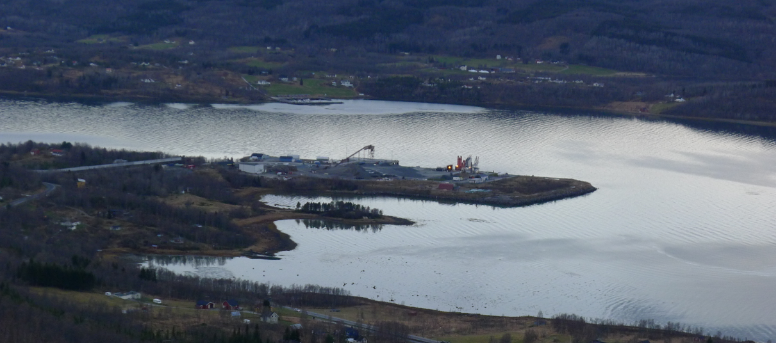
Fornes in Balangen municipality are situated approx. 35 km from Narvik, in a bit remote area. Fornes has quayside of 65 meter length and a water depth of 11,8 m LAT. The water depth of 20.0 m LAT is reached at approx. 90 m from the quayside and the 100.0 m LAT are reached at 2.300 meters from the potential site. The current available area are of approx.. 275.000 m2 flat area, and it is possible to increase the area of approx. 500.000 m2.

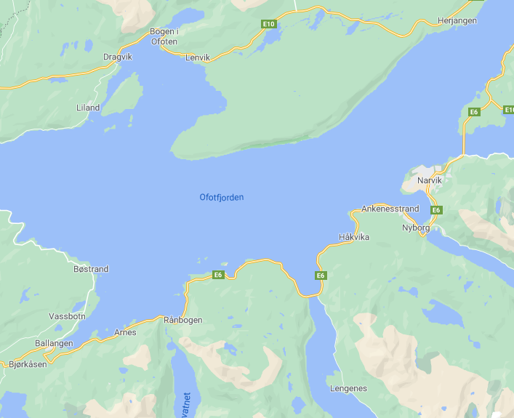

Overall information
Location |  | 35 Km from Narvik in Balangen Muncipality
Size |  | 275.000 m2
Navigation constrains |  | No
Commercial overview |  | Public port
Strengths
Weakness
Unknowns
Non-technical issues

Owner | Authoryties
Web-page |  | https://www.narvikhavn.no/
Contact details |  | firmapost@narvikhavn.no

 |  | Harbours |  |  |  |  | Port in numbers
Quay side |  | Length of Quay side in meters |  |  |  | m | 65
 |  | Depth at specified Quay side - Ref. Laveste Astronomiske Tidevann - LAT in meters |  |  |  | m | 11.8
 |  | Max load-bearing capacity in metric tons |  |  |  | tons
 |  | Reinforced crane pad area - in m2 |  |  |  | m2
 |  | ISPS approved - Yes / No |  |  |  | Yes / No | Yes
Available land area |  | Total land area available - (in m2) |  |  |  | m2 | 275.000
 |  | Total land area at quayside level up to +5 meters above sea level |  |  |  | m2
 |  | Total land area possibly available 20 meters above sealevel - (in m2) (Access to quayside by SPMT's or heavy duty transport) |  |  |  | m2
 |  | Other areas - (in m2) |  |  |  | m2 | 500.000
Available areas at sea |  | Available areas at sea from quayside up to 250 meter from quayside - (in m2) (for use of barges and potential construction phase f.ex) |  |  |  | m2
 |  | Minimum water depth at areas identified above - Ref. Lowest Astronomic Tide - LAT (in meters) |  |  |  | m2
 |  | Available storage and operational areas at sea in vincinity (m2) (for long term storage f.ex) |  |  |  | m2
 |  | Minimum water depth at areas identified above (in meters ref. LAT) |  |  |  | m2
Available utilities |  | Distance to "riksvei" (in Km) |  |  |  | km | 0.68
 |  | Distance to airport (in hours) |  |  |  | hours | 1.15
 |  | Electrical power available in port (in kVA) |  |  |  | kVA
 |  | Fresh water available (Liter pr second) |  |  |  | l / sec
 |  | Rail access to quay (Yes / No) |  |  |  | Yes / No | No
Sailing route to open sea 10 km from shoreline |  | Horisontal water access (min clearance) to open sea (m) |  |  |  | m
 |  | Airgap in and around quayside in meters (Powerlines, bridges) (m) |  |  |  | m
 |  | Airgap from quayside to open sea in meters (Bridges, power lines etc.) (m) |  |  |  | m
 |  | Sailing distance to open sea / fairway (nm) |  |  |  | nm | 40
 |  | Waterdepth to open sea in meters ref LAT (m) |  |  |  | m | min 20 m / min 210 m |  | Reach 100 meter dept approx 2.300 meters from existing quayside
Other |  | Regulatory status suitable for OW activities - Yes/No |  |  |  | Yes / No | No
 |  | Ability to operate 24/7 (Yes / No) |  |  |  | Yes / No | Yes
 |  | Regulatory status under development for OW activites - Yes/No |  |  |  | Yes / No
 |  | New development plans - Yes / No (mention key items in comment field) |  |  |  | Yes / No
 |  | Available buildings - in (m2) |  |  |  | m2 | 0
 |  | Available buildings / workshops with overhead cranes available - (m2) |  |  |  | m2
 |  | Map of quay area attached - Yes / No |  |  |  | Yes / No | Yes

Strategic self-assessment |  |  |  |  |  |  | Summary
Fornes is close to Narvik, and has an acceptable towing route to open sea. The available areas are flat. Area to north east are a possible landfill area for the existion port.

Narvik Fagernes
Northern Norway - Narvik - Fornes

Suitable for: |  | Logistics | Assembley (shallow) |  | Assembley (deep) | Construction (shallow) |  | Constructtion (deep) |  | O&M SOV | O&M CTV

 |  | Yes | No | No |  | No |  | No |  | Yes | Yes

Port description : |  |  |  |  | Layout
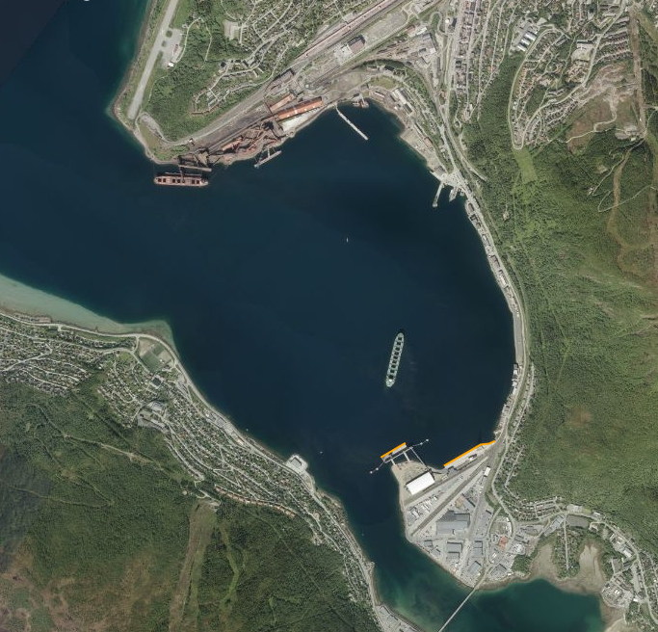
Fagernes is a port down town Narvik and owned by port of Narvik. At Fargernes there are two quaysides “Fagerneskaia” with length of 234 meter, waterdepth of 12,9 m LAT and “Skarvnes kaia” with length of 150 meter, waterdepth of 19,0 m LAT. The port also have direct access to rail, actually one of very few in this report. The “Skarvnes kaia” meets the requirements for being a assambley and marshalling port for shallow water structures.The land areas in connection with the two quaysides are limited to 14.000 m2. The two quaysides could not act as assembley port for deep water floater due to the required waterdep of 100.0 m LAT of waterdepth

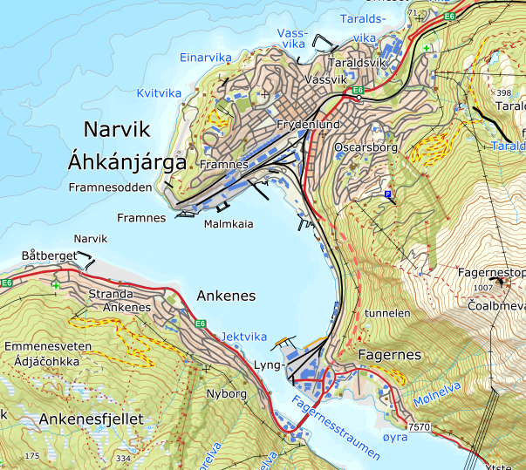
Overall information
Location |  | City centere of Narvik
Size |  | 14.000 m2
Navigation constrains |  | No
Commercial overview |  | Public port
Strengths
Weakness
Unknowns
Non-technical issues

Owner | Authoryties
Web-page |  | https://www.narvikhavn.no/
Contact details |  | firmapost@narvikhavn.no

 |  | Harbours |  |  |  |  | Port in numbers
Quay side |  | Length of Quay side in meters |  |  |  | m | 234+150 |  | The harbour have 2 quaysides, Fagernes kaia and Skarvnes kaia
 |  | Depth at specified Quay side - Ref. Laveste Astronomiske Tidevann - LAT in meters |  |  |  | m | 12,9+19 |  | The harbour have 2 quaysides, Fagernes kaia and Skarvnes kaia
 |  | Max load-bearing capacity in metric tons |  |  |  | mT/m2 | 4 |  | For Fagernes kaia
 |  | Reinforced crane pad area - in m2 |  |  |  | m2 | 7400 |  | For Fagernes kaia
 |  | ISPS approved - Yes / No |  |  |  | Yes / No | Yes+yes
Available land area |  | Total land area available - (in m2) |  |  |  | m2 | 4.000+10.000
 |  | Total land area at quayside level up to +5 meters above sea level |  |  |  | m2
 |  | Total land area possibly available 20 meters above sealevel - (in m2) (Access to quayside by SPMT's or heavy duty transport) |  |  |  | m2
 |  | Other areas - (in m2) |  |  |  | m2
Available areas at sea |  | Available areas at sea from quayside up to 250 meter from quayside - (in m2) (for use of barges and potential construction phase f.ex) |  |  |  | m2
 |  | Minimum water depth at areas identified above - Ref. Lowest Astronomic Tide - LAT (in meters) |  |  |  | m2 | 5,7 + 5,9
 |  | Available storage and operational areas at sea in vincinity (m2) (for long term storage f.ex) |  |  |  | m2
 |  | Minimum water depth at areas identified above (in meters ref. LAT) |  |  |  | m2
Available utilities |  | Distance to "riksvei" (in Km) |  |  |  | km | 0,2+0,7
 |  | Distance to airport (in hours) |  |  |  | hours | 0,45+0,45
 |  | Electrical power available in port (in kVA) |  |  |  | kVA | 240 Vac + 400 Vav
 |  | Fresh water available (Liter pr second) |  |  |  | l / sec | 25 + 25
 |  | Rail access to quay (Yes / No) |  |  |  | Yes / No | Yes + No
Sailing route to open sea 10 km from shoreline |  | Horisontal water access (min clearance) to open sea (m) |  |  |  | m
 |  | Airgap in and around quayside in meters (Powerlines, bridges) (m) |  |  |  | m
 |  | Airgap from quayside to open sea in meters (Bridges, power lines etc.) (m) |  |  |  | m
 |  | Sailing distance to open sea / fairway (nm) |  |  |  | nm | 10+10
...

Harstad Havn
Northern Norway - Harstad harbour

Suitable for: | Logistics | Assembley (shallow) |  | Assembley (deep) | Construction (shallow) | Constructtion (deep) | O&M SOV | O&M CTV

 | Yes | No | No |  | No | No | Yes | Yes

Port description : |  |  |  | Layout
...

Tromsø Havn
Northern Norway - Tromsø Havn - Grøtsund

Suitable for: |  | Logistics | Assembley (shallow) |  | Assembley (deep) | Construction (shallow) |  | Constructtion (deep) | O&M SOV | O&M CTV

 |  | Yes | Yes | No |  | Yes |  | No | Yes | Yes

Port description : |  |  |  |  | Layout
Grøtsund industrial and offshore port, is a former military base that has been taken over by the port of Tromsø. The port of Tromsø has developed the area into a great port that has already been used as a logistics port for onshore wind power. During completed development as PR today a 110 m long deep-water quay -20 m LAT and a ro-ro ramp are in place and ready to operate.
Grøtsund are situated 15 km, 20 minutes drive from downtown Tromsø, and 30 min drive from the airport.
The port has a waterdepth along quayside of 20 meter LAT, and there are also a roro ramp available.
The port has already been used as a port for the onshore wind industry, as load off port for blades and mast components.
Traditional port service available in the area.
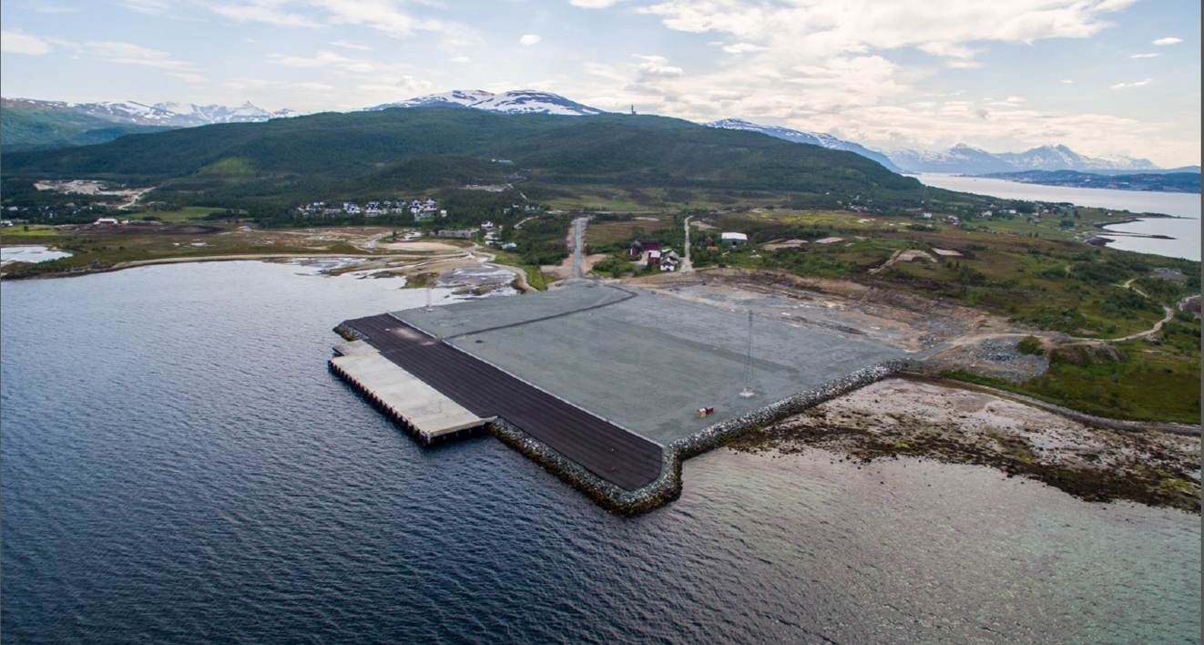

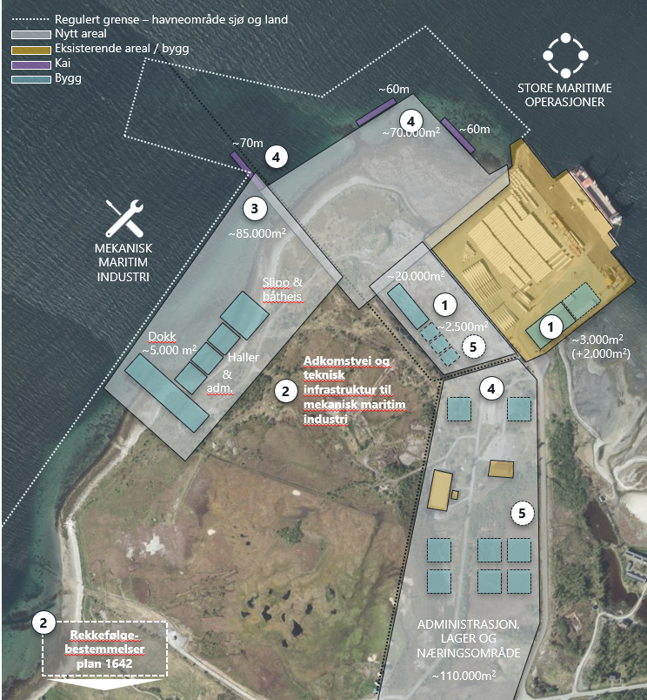
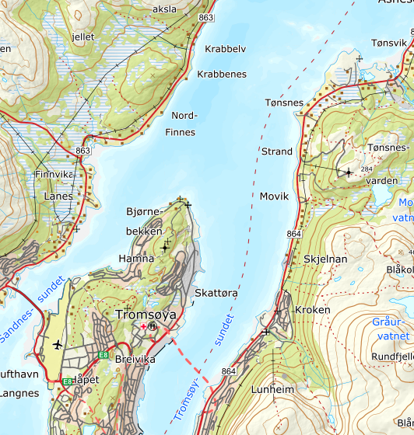

Grøtsund
Overall information
Location |  | In-/outside town of Tromsø
Size |  | Up to 2.000.000 m2 could be made available in steps
Navigation constrains |  | No
Commercial overview |  | Owner Tromsø Havn
Strengths |  | Suitable area 91.000 m2 flat area available now. Quay of 110 meter length, water depth 17 m LAT in place.
Weakness
Tromsø
Unknowns
Airport
Non-technical issues

Owner | Authoryties
Web-page |  | https://www.tromso.havn.no/
Contact details | jeh@tromso.havn.no

 |  | Harbours |  |  |  |  | Port in numbers
Quay side |  | Length of Quay side in meters |  |  |  | m | 130
 |  | Depth at specified Quay side - Ref. Laveste Astronomiske Tidevann - LAT in meters |  |  |  | m | Approx 20 meter along quay. Approx 22m at 10m parallel
 |  | Max load-bearing capacity in metric tons |  |  |  | tons | Concentrated load: 150t/m2. Evenly ditributed load: 10t/m2
 |  | Reinforced crane pad area - in m2 |  |  |  | m2 | See above. Most of quay is dimensioned for theese loads
 |  | ISPS approved - Yes / No |  |  |  | Yes / No | Yes
Available land area |  | Total land area available - (in m2) |  |  |  | m2 | Approx 95.000sqm
 |  | Total land area at quayside level up to +5 meters above sea level |  |  |  | m2 | Approx 95.000sqm
 |  | Total land area possibly available 20 meters above sealevel - (in m2) (Access to quayside by SPMT's or heavy duty transport) |  |  |  | m2 | Approx 95.000sqm
...
 |  | Waterdepth to open sea in meters ref LAT (m) |  |  |  | m | approx 11 and 150meters depending of route
 |  | Regulatory status suitable for OW activities - Yes/No |  |  |  | Yes / No | Yes
 |  | Ability to operate 24/7 (Yes / No) |  |  |  | Yes / No | Yes
 |  | Regulatory status under development for OW activites - Yes/No |  |  |  | Yes / No | No, already in place
 |  | New development plans - Yes / No (mention key items in comment field) |  |  |  | Yes / No | Yes, new areas, quays and activities
 |  | Available buildings - in (m2) |  |  |  | m2 | approx 1500 (to be developed)
 |  | Available buildings / workshops with overhead cranes available - (m2) |  |  |  | m2 | approx 1500 (to be developed)
 |  | Map of quay area attached - Yes / No |  |  |  | Yes / No | Yes

 |  |  |  |  |  |  | Summary
The Grøtsund industrial and offshore port meet requirements to be a potential construction site for semi / shallow water structures, assembly and marshaling port and logistic harbor for future offshore wind. The site is also suitable for potential O&M.

Alta Havn
Northern Norway - Alta habour

Suitable for: |  | Logistics | Assembley (shallow) |  | Assembley (deep) | Construction (shallow) |  | Construction (deep) | O&M SOV | O&M CTV

 |  | Yes | No | No |  | No |  | No | Yes | Yes

Port description : |  |  |  |  | Layout
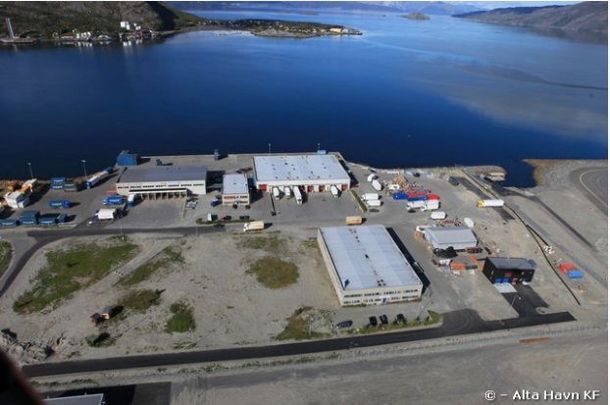
The port are situated in walking distance from Alta airport and appprox 3,5 km from "downtown" Alta.
The port have 26.000 m2 available for logistic purpose.

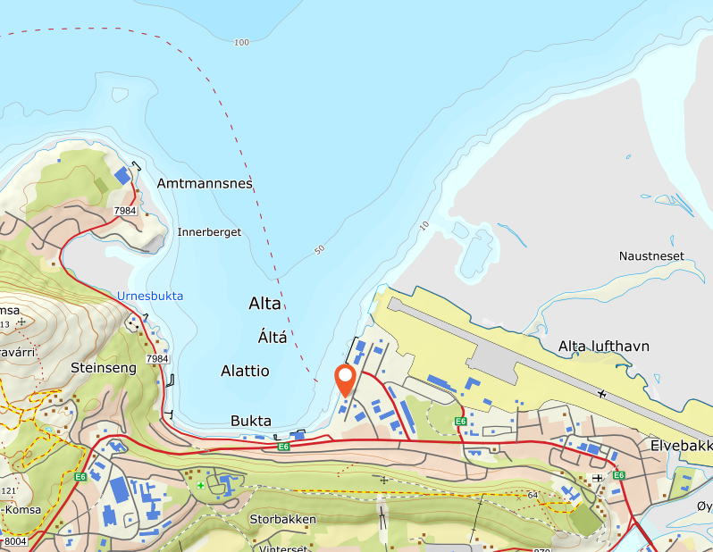

Overall information
Location
Size
Navigation constrains
Commercial overview
Strengths
Weakness
Unknowns
Non-technical issues

Owner | Authoryties
Web-page | http://www.altahavn.no/
Contact details | post@altahavn.no

 |  | Harbours |  |  |  |  | Port in numbers
Quay side |  | Length of Quay side in meters |  |  |  | m | 169
 |  | Depth at specified Quay side - Ref. Laveste Astronomiske Tidevann - LAT in meters |  |  |  | m | 8.4
 |  | Max load-bearing capacity in metric tons |  |  |  | tons | 600
 |  | Reinforced crane pad area - in m2 |  |  |  | m2 | 0
 |  | ISPS approved - Yes / No |  |  |  | Yes / No | Yes
Available land area |  | Total land area available - (in m2) |  |  |  | m2 | 26000 | bakområde < 5 moh
 |  | Total land area at quayside level up to +5 meters above sea level |  |  |  | m2 | 4700 | Kaiområde
 |  | Total land area possibly available 20 meters above sealevel - (in m2) (Access to quayside by SPMT's or heavy duty transport) |  |  |  | m2 | 0
...

Hammerfest Polar Base
Northern Norway - Hammerfest Polar Base

Suitable for: |  | Logistics | Assembley (shallow) |  | Assembley (deep) | Construction (shallow) |  | Constructtion (deep) | O&M SOV | O&M CTV

 |  | Yes | Yes | No |  | Yes |  | No | Yes | Yes

Port description : |  |  |  |  | Layout

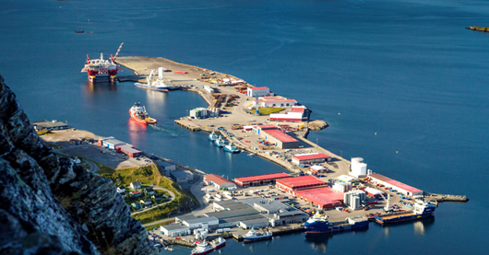
Polar Base Hammerfest is a private port, owned by NorSea. The main activity is related to the oil and gas industry, serving the Barents Sea platforms. .

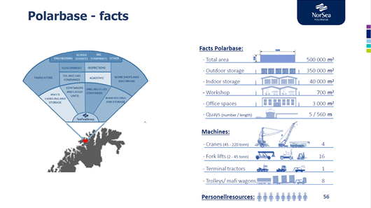

Overall information
Location |  | 4 km south of Hammerfest town
Size |  | 350.000 m3
Navigation constrains |  | No
Commercial overview |  | Private ownership
Strengths |  | Acceptable available area. Quayside water depth 15 m LAT
Weakness |  | Harsh weather condition
Unknowns |  | Available potential workforce
Non-technical issues |  | Proximity to Hammerfest airport - Runway 880 m

Owner | Authoryties
Web-page |  | https://norseagroup.com/no/bases/norsea-polarbase
Contact details |  | info@polarbase.no

 |  | Harbours |  |  |  |  | Port in numbers
Quay side |  | Length of Quay side in meters |  |  |  | m | 490
 |  | Depth at specified Quay side - Ref. Laveste Astronomiske Tidevann - LAT in meters |  |  |  | m | 10 - 15 m
 |  | Max load-bearing capacity in metric tons |  |  |  | tons | 70 - 150 t
 |  | Reinforced crane pad area - in m2 |  |  |  | m2 | No
 |  | ISPS approved - Yes / No |  |  |  | Yes / No | Yes
Available land area |  | Total land area available - (in m2) |  |  |  | m2 | 350 000
 |  | Total land area at quayside level up to +5 meters above sea level |  |  |  | m2 | 100 000
...
 |  | Sailing distance to open sea / fairway (nm) |  |  |  | nm | 20
 |  | Waterdepth to open sea in meters ref LAT (m) |  |  |  | m | 50
Other |  | Regulatory status suitable for OW activities - Yes/No |  |  |  | Yes / No | Yes
 |  | Ability to operate 24/7 (Yes / No) |  |  |  | Yes / No | Yes
 |  | Regulatory status under development for OW activites - Yes/No |  |  |  | Yes / No | No
 |  | New development plans - Yes / No (mention key items in comment field) |  |  |  | Yes / No | No
 |  | Available buildings - in (m2) |  |  |  | m2 | 40 000
 |  | Available buildings / workshops with overhead cranes available - (m2) |  |  |  | m2 | 700
 |  | Map of quay area attached - Yes / No |  |  |  | Yes / No | Yes

Polar Base Hammerfest is a private owned port and have focus on the oil and gas business. Polar base has approx. 350.000 m2 flat outdoor storage area available and approx. 150.000 m2 in various type of buildings. The area could be suitable for construction site for shallow floater, assembly of shallow floaters and logistic harbor for components (mast, turbine and blades) for both type of structures. The water depth at the various main quaysides are acceptable and reach -20.00 m LAT relatively close to the various quaysides. It is expected that minor upgrades (dredging) are required to meet or nearly meet -20.00 m LAT close to the quayside. Norsea Polarbase has available area and is suitable for both alternatives for O&M.
Strategic self-assessment |  |  |  |  |  |  | Summary

Kirkenes Havn
Northern Norway - Kirkenes harbour

Suitable for: |  | Logistics | Assembley (shallow) |  | Assembley (deep) | Construction (shallow) |  | Constructtion (deep) | O&M SOV | O&M CTV

 |  | Yes | No | No |  | No |  | No | Yes | Yes

Port description : |  |  |  |  | Layout

The Port of Kirkenes is the most norther port in Norway and last stop for the logistic route of Hurtigruten and the very last port before the Russian border. On land available approx. 60.000 m2 for potential offshore wind. Main stakeholders at the port is Kirkenes Havn, Tschudi Kirkenes AS and Kimek (Ship repair yard). The port will require upgrades and further development, before it could become a typical port for assembly and marshalling port for shallow floaters (Semi) and deep floaters (Spar). The main element missing is water depths along the existing quaysides, at present is too shallow for assembly by quayside for both two type of structures, shallow floater structures and deep floaters. In the surroundings there are option for a free floating facility in Langfjorden for shallow water structures and in Bøkefjorden for deep floaters. Tschudi Shipping has developed plans for development of an area of approx. 1.000.000 m2 for various logistics purpose. Kirkenes harbour is a public port. Tschudi Logistic has available land approx 3 km from the main port. Mainly project cargo and aggregate activities Kirkenes and Tschudi Shipping has a cooperation agreement.

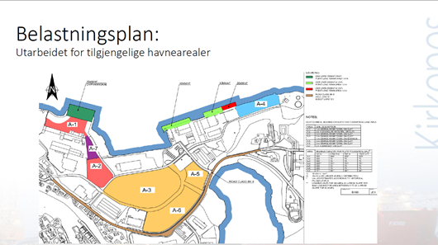

Overall information
Location |  | Northern Norway, 10 km from the Russian border
Size |  | 60.000 m2
Navigation constrains |  | No
Commercial overview |  | Public port
Strengths |  | 1.000.000 m2(Tschudi) of land to be available
Weakness |  | Availability of workforce and upgrade of infrastructures
Unknowns |  | Ground strength
Non-technical issues |  | Proximity to airport - Runway 1.600 m

Owner | Authoryties
Web-page |  | www.svk.no
Contact details |  | Maung.Lwin@sor-varanger.kommune.no

 |  | Harbours |  |  |  |  | Port in numbers
Quay side |  | Length of Quay side in meters |  |  |  | m | 4-13,8
 |  | Depth at specified Quay side - Ref. Laveste Astronomiske Tidevann - LAT in meters |  |  |  | m | 1 100
 |  | Max load-bearing capacity in metric tons |  |  |  | tons
 |  | Reinforced crane pad area - in m2 |  |  |  | m2
 |  | ISPS approved - Yes / No |  |  |  | Yes / No | Yes
Available land area |  | Total land area available - (in m2) |  |  |  | m2 | 60 000
 |  | Total land area at quayside level up to +5 meters above sea level |  |  |  | m2
 |  | Total land area possibly available 20 meters above sealevel - (in m2) (Access to quayside by SPMT's or heavy duty transport) |  |  |  | m2
...

Kirkenes Tschudi
Northern Norway - Kirkenes Tschudi Shipping

Suitable for: |  | Logistics | Assembley (shallow) |  | Assembley (deep) | Construction (shallow) | Constructtion (deep) | O&M SOV | O&M CTV

 |  | Yes | No | No |  | No | No | No | No

Port description : |  |  |  |  | Layout
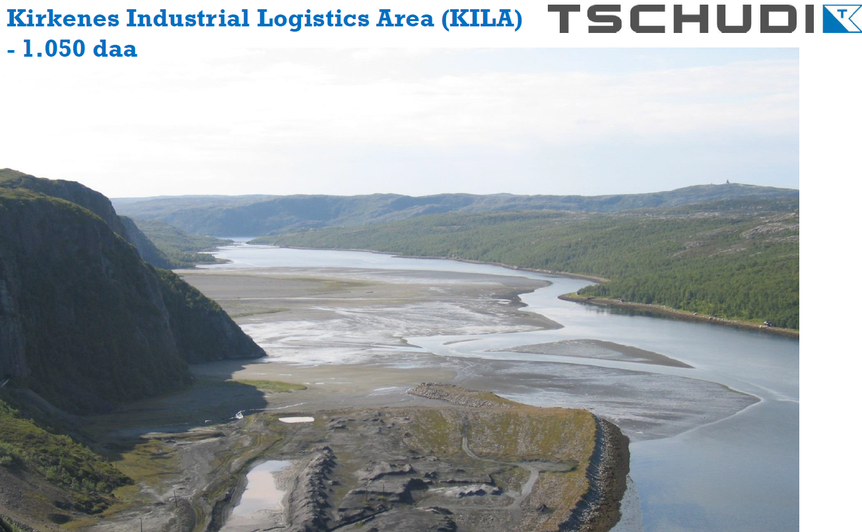
Large undeveloped area near sea, shown on the picture.

Overall information
Location | Next to the town of Kirkenes near the Russian Border
Size | 1 050 000 m2 undeveloped land
Navigation constrains | No
Commercial overview | Private
Strengths | Availability of area
Weakness | No infrastructure
...

